data
x_axis | y_axis
1953 | 2.2064777328
1954 | 1.963562753
1955 | 0.060728744939
1956 | 0.74898785425
1957 | 1.8016194332
1958 | 1.9230769231
1959 | 1.7206477733
1960 | 2.1255060729
1961 | 2.2469635628
1962 | 1.3157894737
1963 | -0.58704453441
1964 | -1.032388664
1965 | 0.95141700405
1966 | 2.3684210526
1967 | 1.5991902834
1968 | 0.34412955466
1969 | 0.91093117409
1970 | 1.1943319838
1971 | 0.87044534413
1972 | 2.1659919028
1973 | 3.1781376518
1974 | 3.7449392713
1975 | 3.8259109312
1976 | 2.8947368421
1977 | 1.6801619433
1978 | 1.4372469636
1979 | 2.1255060729
1980 | 2.6113360324
1981 | 1.032388664
1982 | 1.6396761134
1983 | 3.8259109312
1984 | 3.5829959514
1985 | 1.2348178138
1986 | 1.3562753036
1987 | 2.3279352227
1988 | 1.2753036437
1989 | 0.74898785425
1990 | 0.62753036437
1991 | -0.3036437247
1992 | 1.7206477733
1993 | 2.004048583
1994 | 0.70850202429
1995 | 2.8137651822
1996 | 4.1902834008
1997 | 3.5425101215
1998 | 3.987854251
1999 | 3.8259109312
2000 | 2.2469635628
2001 | 2.8137651822
2002 | 3.5829959514
2003 | 3.6639676113
2004 | 1.7206477733
2005 | 1.032388664
2006 | 3.1781376518
2007 | 3.8663967611
2008 | 1.3562753036
2009 | 2.3279352227
2010 | 2.7732793522
2011 | 1.4372469636
2012 | 0.82995951417
2013 | 0.95141700405
2014 | 2.8137651822
2015 | 3.0971659919
2016 | 1.4777327935
2017 | 2.2064777328

picture
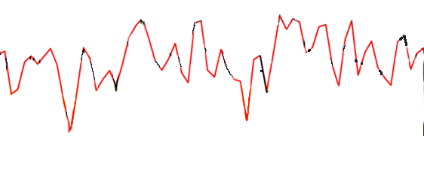

picture_original
